Experiment Visualization
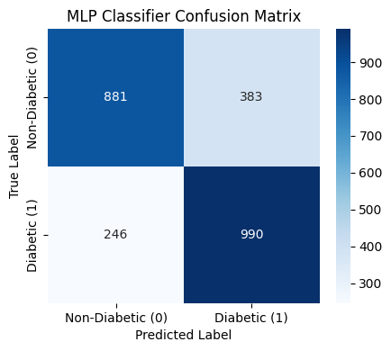
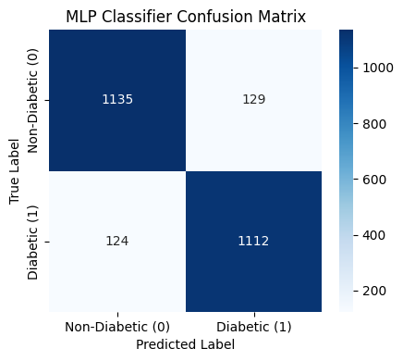

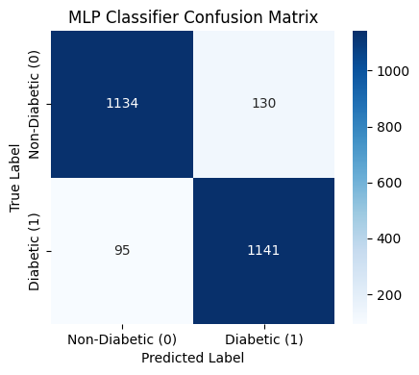

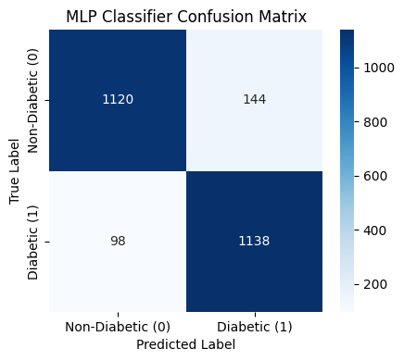
EXPERIMENT 1 MODEL | LEGEND:
 |  | Hidden Layers tuning | EXPERIMENT 6 MODEL | Neuron per Layer Tuning | EXPERIMENT 16 MODEL | Activation Function Tuning | EXPERIMENT 36 MODEL | Optimizer Tuning | EXPERIMENT 56 MODEL | Learning Rate Tuning | EXPERIMENT 86 MODEL | Batch Sizes Tuning | EXPERIMENT 101 MODEL | Epoch Tuning


EXPERIMENT 2 MODEL


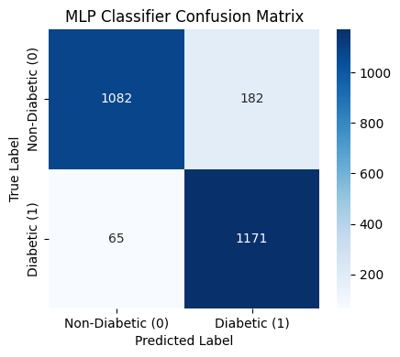

 |  |  | EXPERIMENT 7 MODEL |  | EXPERIMENT 17 MODEL |  | EXPERIMENT 37 MODEL |  | EXPERIMENT 57 MODEL |  | EXPERIMENT 87 MODEL |  | EXPERIMENT 102 MODEL
 |  |  |  |  |  |  |  |  | BEST MODEL

EXPERIMENT 3 MODEL



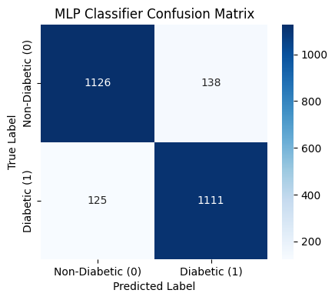

 |  |  | EXPERIMENT 8 MODEL |  | EXPERIMENT 18 MODEL |  | EXPERIMENT 38 MODEL |  | EXPERIMENT 58 MODEL |  | EXPERIMENT 88 MODEL |  | EXPERIMENT 104 MODEL


EXPERIMENT 4 MODEL




 |  |  | EXPERIMENT 9 MODEL |  | EXPERIMENT 19 MODEL |  | EXPERIMENT 39 MODEL |  | EXPERIMENT 59 MODEL |  | EXPERIMENT 89 MODEL |  | EXPERIMENT 105 MODEL


EXPERIMENT 5 MODEL







 |  |  | EXPERIMENT 10 MODEL |  | EXPERIMENT 20 MODEL |  | EXPERIMENT 40 MODEL |  | EXPERIMENT 60 MODEL |  | EXPERIMENT 90 MODEL |  | EXPERIMENT 106 MODEL

 |  | Decision tree models boosted with XGBoost




 |  |  | EXPERIMENT 11 MODEL |  | EXPERIMENT 21 MODEL |  | EXPERIMENT 41 MODEL |  | EXPERIMENT 61 MODEL |  | EXPERIMENT 91 MODEL |  | EXPERIMENT 107 MODEL





 |  |  | EXPERIMENT 12 MODEL |  | EXPERIMENT 22 MODEL |  | EXPERIMENT 42 MODEL |  | EXPERIMENT 62 MODEL |  | EXPERIMENT 92 MODEL |  | EXPERIMENT 108 MODEL





 |  |  | EXPERIMENT 13 MODEL |  | EXPERIMENT 23 MODEL |  | EXPERIMENT 43 MODEL |  | EXPERIMENT 63 MODEL |  | EXPERIMENT 93 MODEL |  | EXPERIMENT 109 MODEL




 |  |  | EXPERIMENT 14 MODEL |  | EXPERIMENT 24 MODEL |  | EXPERIMENT 44 MODEL |  | EXPERIMENT 64 MODEL |  | EXPERIMENT 94 MODEL |  | EXPERIMENT 110 MODEL





 |  |  | EXPERIMENT 15 MODEL |  | EXPERIMENT 25 MODEL |  | EXPERIMENT 45 MODEL |  | EXPERIMENT 65 MODEL |  | EXPERIMENT 95 MODEL |  | EXPERIMENT 111 MODEL






 |  |  |  |  | EXPERIMENT 26 MODEL |  | EXPERIMENT 46 MODEL |  | EXPERIMENT 66 MODEL |  | EXPERIMENT 96 MODEL |  | EXPERIMENT 111 MODEL


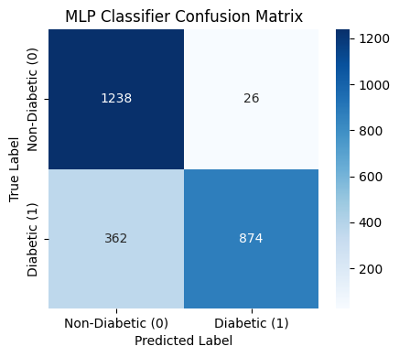

 |  |  |  |  | EXPERIMENT 27 MODEL |  | EXPERIMENT 47 MODEL |  | EXPERIMENT 67 MODEL |  | EXPERIMENT 97 MODEL |  | EXPERIMENT 112 MODEL


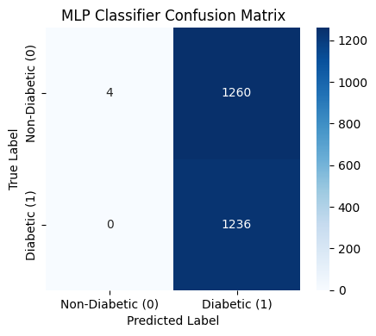


 |  |  |  |  | EXPERIMENT 28 MODEL |  | EXPERIMENT 48 MODEL |  | EXPERIMENT 68 MODEL |  | EXPERIMENT 98 MODEL |  | EXPERIMENT 113 MODEL



 |  |  |  |  | EXPERIMENT 29 MODEL |  | EXPERIMENT 49 MODEL |  | EXPERIMENT 69 MODEL |  | EXPERIMENT 99 MODEL |  | EXPERIMENT 114 MODEL





 |  |  |  |  | EXPERIMENT 30 MODEL |  | EXPERIMENT 50 MODEL |  | EXPERIMENT 70 MODEL |  | EXPERIMENT 100 MODEL |  | EXPERIMENT 115 MODEL



 |  |  |  |  | EXPERIMENT 31 MODEL |  | EXPERIMENT 51 MODEL |  | EXPERIMENT 71 MODEL |  |  |  | EXPERIMENT 116 MODEL



 |  |  |  |  | EXPERIMENT 32 MODEL |  | EXPERIMENT 52 MODEL |  | EXPERIMENT 72 MODEL |  |  |  | EXPERIMENT 117 MODEL



 |  |  |  |  | EXPERIMENT 33 MODEL |  | EXPERIMENT 53 MODEL |  | EXPERIMENT 73 MODEL |  |  |  | EXPERIMENT 118 MODEL



 |  |  |  |  | EXPERIMENT 34 MODEL |  | EXPERIMENT 54 MODEL |  | EXPERIMENT 74 MODEL |  |  |  | EXPERIMENT 119 MODEL


 |  |  |  |  | EXPERIMENT 35 MODEL |  | EXPERIMENT 55 MODEL |  | EXPERIMENT 75 MODEL |  |  |  | EXPERIMENT 120 MODEL



 |  |  |  |  |  |  |  |  | EXPERIMENT 76 MODEL


 |  |  |  |  |  |  |  |  | EXPERIMENT 77 MODEL

 |  |  |  |  |  |  |  |  | EXPERIMENT 78 MODEL


 |  |  |  |  |  |  |  |  | EXPERIMENT 79 MODEL

 |  |  |  |  |  |  |  |  | EXPERIMENT 80 MODEL

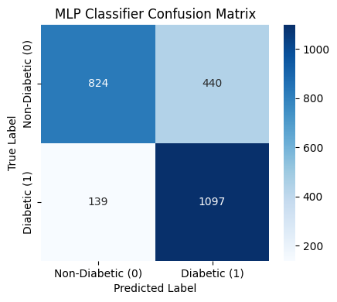
 |  |  |  |  |  |  |  |  | EXPERIMENT 81 MODEL

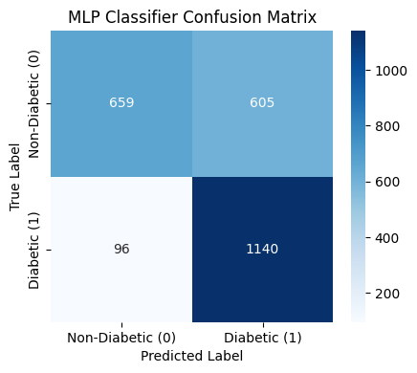
 |  |  |  |  |  |  |  |  | EXPERIMENT 82 MODEL

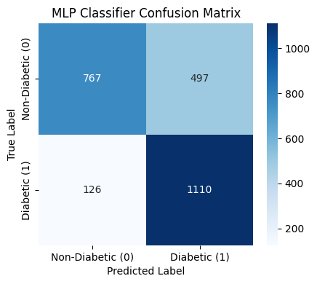
 |  |  |  |  |  |  |  |  | EXPERIMENT 83 MODEL

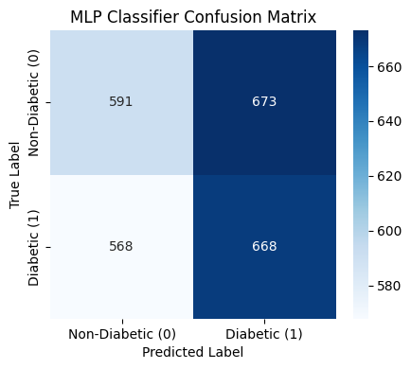
 |  |  |  |  |  |  |  |  | EXPERIMENT 84 MODEL

 |  |  |  |  |  |  |  |  | EXPERIMENT 85 MODEL

